Sheet1
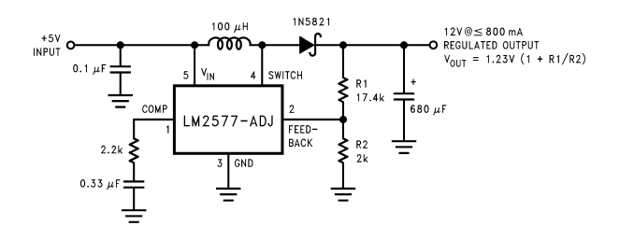
VIN_MIN | 7.4 |  |  | 7.4
VOUT | 12
ILOAD_MAX | 2 | issue! | current limited. Increase battery voltage.

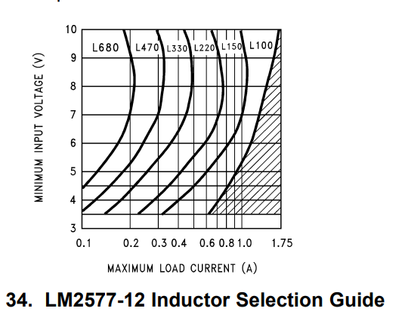

ILOAD_MAX | 1.295

For 12V output inductor code |  |  | L100
 |  | OR | 100uH

3.3V RAIL | BD33C0AFP-CE2

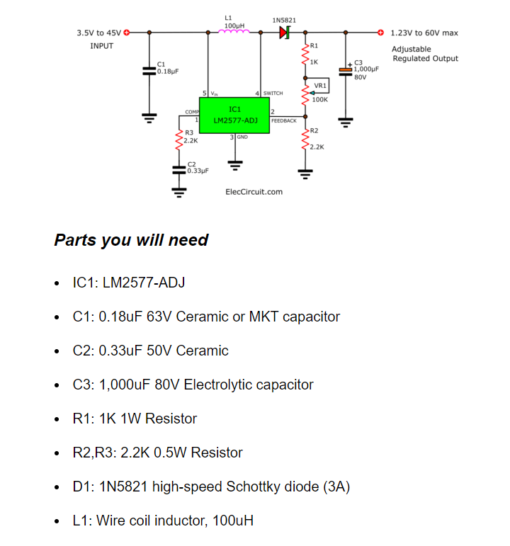

 |  |  |  |  |  | 0.1UF 100V 805 X7R

 |  |  |  |  |  | 0.33UF 50V 0603 X7R

 |  |  |  |  | CAP ALUM 1000UF 20% 50V RADIAL

 |  |  |  |  |  | 1K 2512 THICK FILM

 |  |  |  |  |  | 2.2K 1210

 |  |  |  |  |  | TH DIODE CHOSEN- HIGH CURRENT

 |  |  |  |  |  | FIXED IND 100UH 2.5A 110MOHM SMD

 |  |  |  |  |  |  | R1 | 22 | K | 22 kOhms ±1% 1W Chip Resistor 2512 (6432 Metric) Automotive AEC-Q200, Moisture Resistant Thick Film
 |  |  |  |  |  |  | R2 | 2.2 | K

 |  |  |  |  |  |  | Vout | 13.53

